other
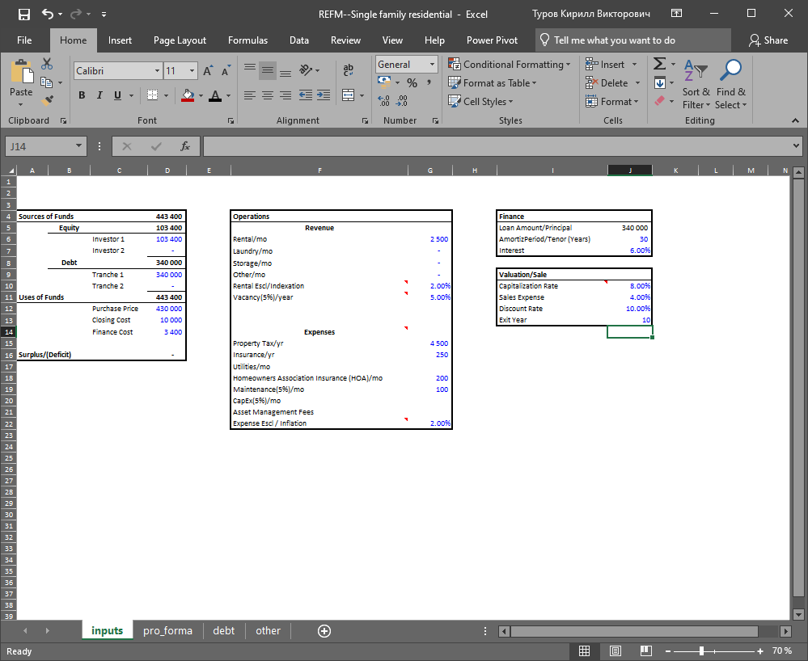
 | commercial project---real estate income-producing property
1 | property is located in a desirable area
2 | asking price is $430,000
3 | closing costs are estimated at $10,000
4 | financing costs at 1.00% of the loan amount
5 | rent at $2,500/ month
6 | expected to be vacant 1 week per year as rollover
7 | traditional 80%/20% loan with a 30-year amortization

 | This is a 10-year (period) pro forma, so it is necessary to quantify net operating income for year 11 (remember
 | that year 10 gross sales price is year 11 NOI divided by terminal capitalization rate).

 | Equity: $200,000
 | Debt: $243,400
 | Rental/mo: $3,000
 | .--->
 | NPV: (69,798)
 | IRR: 4.20%
 | This indicates that the project has a negative value for the discount rate selected and that
 | the Internal Rate of Return is 4.20%.

 | Adjusting the Rental Income to $3,500 per month only
 | provides a positive NPV (i.e. 113) and an Internal Rate of Return of 10.01%.

